000-100 - COAX Xpoint
 | 10 | 06:54641D-001 | NC
 | 20 | 06:54641D-002 | NC
 | 30 | NC | 16:54641D-003
 | 40 | NC | 16:54641D-003

 |  | 1 | 2
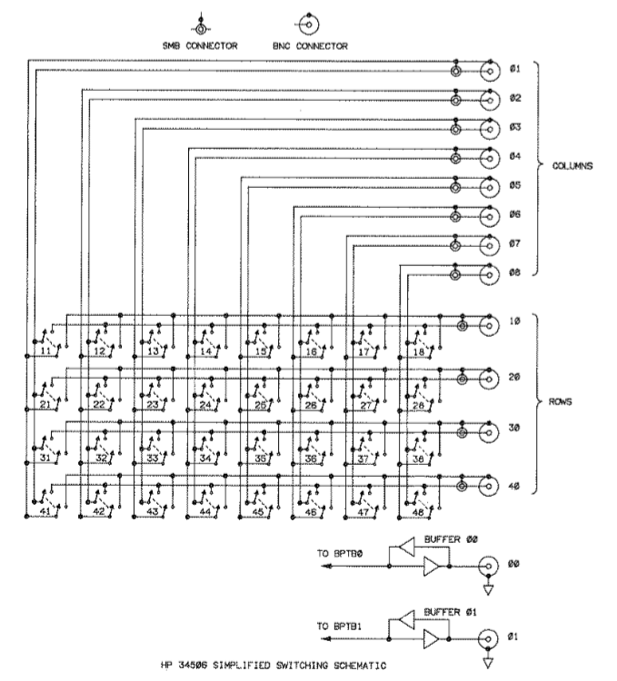
01 | SIGNAL GEN | 33:33210A | 66:33220A
02 | Patch Panel OSC IN | 353A-001 | 353A-002
03 | Patch Panel VM OUT | 353A-001 | 353A-002
04 |  |  |  |  | 1 | SG OUT
05 |  |  |  |  | 2 | Patch Panel
06 | To Briding Trnasformers | 11005A-001 | 11005A-002 |  | 3 | Patch Panel
07 |  |  |  | SOURCES | 4 | HP-xformer 1
08 |  |  |  |  | 5
 |  |  |  |  | 6
 |  |  |  |  | 7 | DIST
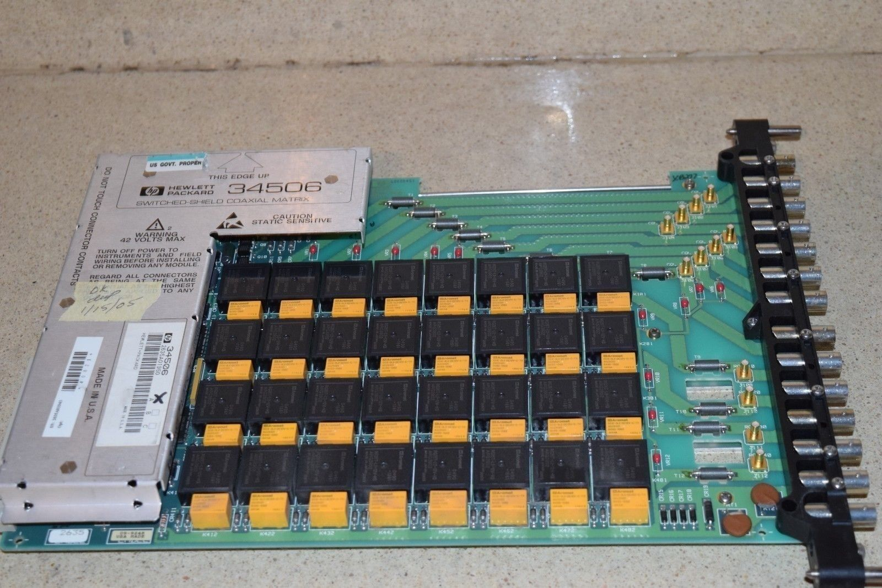
 |  |  |  |  | 8 | DIST MON

 |  |  |  |  | 10 | SCOPE IN 1
 |  |  |  |  | 20 | SCOPE IN 2
 |  |  |  |  | 30
 |  |  |  |  | 40

 |  |  |  | INTRUMENTS

 |  | I actually have two of theses 01 on both is a signal gen. 02 goes to the transformaer patch panel - and 03 comes back from it. then 06 goes to the HP xformer bridgeing transofrmer - one per card.... then 10 goes to scope 1 - 02 goes to scope 2 03 on second card goes to scope 03 then of goes to scope 04

500 - Peripheral audio
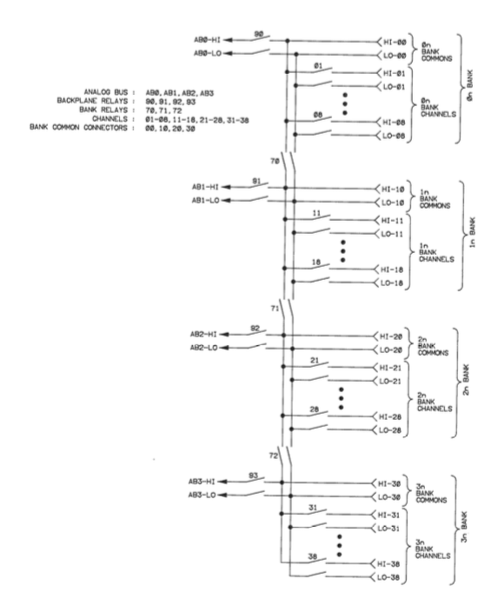
LEFT IN →
← LEFT OUT
RIGHT IN →
← RIGHT OUT
1
3
5
7
9
11
13
15
17
19
21
23
2
4
6
8
10
12
1416
18
20
22
24
Bank | Relay | Bank / RElay | Channel | Audio Channel | Source | Source relay | Dest | Dest relay
0 | 1 | 01 | Computer DAC L | 1 | AB-00 | 90
0 | 2 | 02 | Signal Gen OUT L | 3 | AB-00 | 90
0 | 3 | 03 | Distortion OUT L | 5 | AB-00 | 90 |  |  | XLR
0 | 4 | 04 | Aux IN L | 7 | AB-00 | 90 |  |  | Panel
0 | 5 | 05 | DUT OUT L | 9 | AB-00 | 90
0 | 6 | 06 |  | 11 | AB-00 | 90
0 | 7 | 07 |  | 13 | AB-00 | 90
0 | 8 | 08 |  | 15 | AB-00 | 90
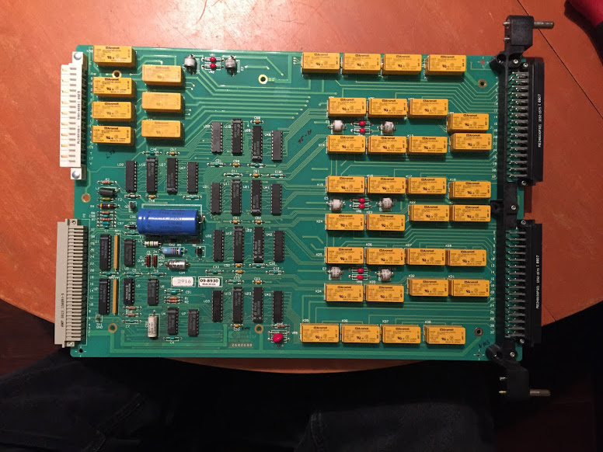
1 | 1 | 11 | DUT In L | 17 |  |  | AB-01 | 91 | XLR
1 | 2 | 12 | DAC IN L | 19 |  |  | AB-01 | 91 | Panel
1 | 3 | 13 | Monitor 1 L | 21 |  |  | AB-01 | 91
1 | 4 | 14 | Monitor 2 L | 23 |  |  | AB-01 | 91
1 | 5 | 15 | Monitor 3 L | 25 |  |  | AB-01 | 91
1 | 6 | 16 |  | 27 |  |  | AB-01 | 91
2 | 1 | 21 | Computer DAC R | 2 | AB-02 | 92
2 | 2 | 22 | Signal Gen OUT R | 4 | AB-02 | 92
2 | 3 | 23 | Distortion OUT R | 6 | AB-02 | 92
2 | 4 | 24 | Aux IN R | 8 | AB-02 | 92 |  |  | XLR
2 | 5 | 25 | DUT OUT R | 10 | AB-02 | 92 |  |  | Panel
2 | 6 | 26 |  | 12 | AB-02 | 92
2 | 7 | 27 |  | 14 | AB-02 | 92
2 | 8 | 28 |  | 16 | AB-02 | 92
3 | 1 | 31 | DUT In L | 18 |  |  | AB-03 | 93 | XLR
3 | 2 | 32 | DAC IN L | 20 |  |  | AB-03 | 93 | Panel
3 | 3 | 33 | Monitor 1 L | 22 |  |  | AB-03 | 93
3 | 4 | 34 | Monitor 2 L | 24 |  |  | AB-03 | 93
3 | 4 | 34 | Monitor 3 L | 26 |  |  | AB-04 | 93

700 - GP relay
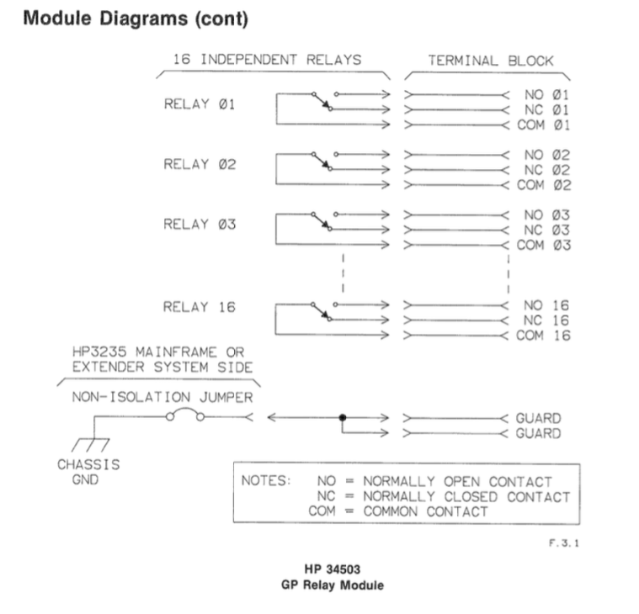
relay
1 | Bench Panel SW 1
2 | Bench Panel SW 2
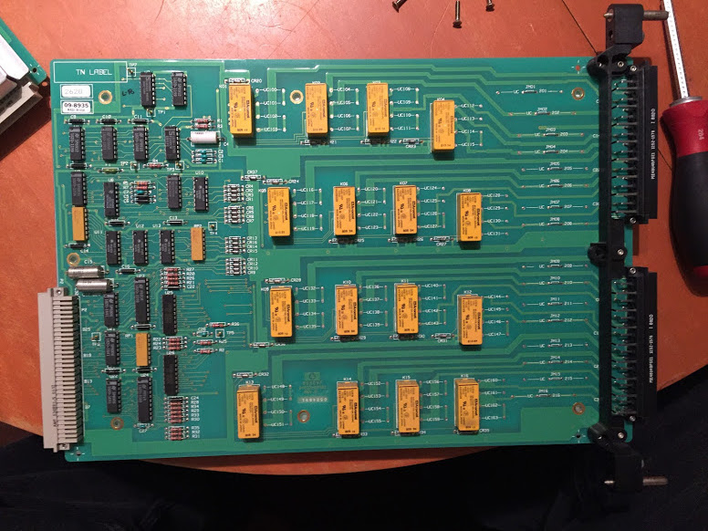
3 | Bench Panel SW 3
4 | Bench Panel SW 4
5
6
7
8 | AC Power for DUT
9 | AC Current for DUT
10 | Lamp 1 AC
11 | Lamp 2 AC
12 | Lamp 3 AC
13 | Lamp 4 AC
14
15 | Soldering Iron AC
16 | Desoldering Iron AC

400 - EDAC 1
LEFT SEND →
← LEFT RET
RIGHT SEND →
← RIGHT RET
1
3
5
7
9
11
13
15
17
19
21
23
2
4
6
8
10
12
14
16
18
20
22
24
TO DUT
TO DUT
FROM DUT
FROM DUT
Card | Bank | Relay | Bank / RElay | Audio Channel | Channel |  | Source | Source relay | { | {0, | 0}, |  | {"xx",
3 | 0 | 0 | 00 | 3 | Grass OUT | IN | AB0 | 90 |  |  |  |  | }
3 | 0 | 1 | 01 | 1 | Left / Odd | OUT | AB0 | 90 |  | {0, | 1}, |  | "01", | 'Channel 1 Left / Odd OUT AB0
3 | 0 | 2 | 02 | 3 | Left / Odd | OUT | AB0 | 90 |  | {0, | 2}, |  | "02", | 'Channel 3 Left / Odd OUT AB0
3 | 0 | 3 | 03 | 5 | Left / Odd | OUT | AB0 | 90 |  | {0, | 3}, |  | "03", | 'Channel 5 Left / Odd OUT AB0
3 | 0 | 4 | 04 | 7 | Left / Odd | OUT | AB0 | 90 |  | {0, | 4}, |  | "04", | 'Channel 7 Left / Odd OUT AB0
3 | 0 | 5 | 05 | 9 | Left / Odd | OUT | AB0 | 90 |  | {0, | 5}, |  | "05", | 'Channel 9 Left / Odd OUT AB0
3 | 0 | 6 | 06 | 11 | Left / Odd | OUT | AB0 | 90 |  | {0, | 6}, |  | "06", | 'Channel 11 Left / Odd OUT AB0
3 | 0 | 7 | 07 | SUN | SUN OUT | OUT | NC | NC
3 | 0 | 8 | 08 | EARTH | EARTH IN | IN | NC | NC
3 | 1 | 0 | 10 | EARTH | EARHT OUT | OUT | NC | NC
3 | 1 | 1 | 11 | 13 | Left / Odd | IN | AB1 | 91 |  | {1, | 1}, |  | "11", | 'Channel 13 Left / Odd IN AB1
3 | 1 | 2 | 12 | 15 | Left / Odd | IN | AB1 | 91 |  | {1, | 2}, |  | "12", | 'Channel 15 Left / Odd IN AB1
3 | 1 | 3 | 13 | 17 | Left / Odd | IN | AB1 | 91 |  | {1, | 3}, |  | "13", | 'Channel 17 Left / Odd IN AB1
3 | 1 | 4 | 14 | 19 | Left / Odd | IN | AB1 | 91 |  | {1, | 4}, |  | "14", | 'Channel 19 Left / Odd IN AB1
3 | 1 | 5 | 15 | 21 | Left / Odd | IN | AB1 | 91 |  | {1, | 5}, |  | "15", | 'Channel 21 Left / Odd IN AB1
3 | 1 | 6 | 16 | 23 | Left / Odd | IN | AB1 | 91 |  | {1, | 6}, |  | "16", | 'Channel 23 Left / Odd IN AB1
3 | 1 | 7 | 17 | SKY | SKY IN | IN | NC | NC
3 | 1 | 8 | 18 | NC | NC | NC | NC | NC
3 | 2 | 0 | 20 | NC | NC | NC | NC | NC
3 | 2 | 1 | 21 | 2 | Right / Even | OUT | AB2 | 92 |  | {2, | 1}, |  | "21", | 'Channel 2 Right / Even OUT AB2
3 | 2 | 2 | 22 | 4 | Right / Even | OUT | AB2 | 92 |  | {2, | 2}, |  | "22", | 'Channel 4 Right / Even OUT AB2
3 | 2 | 3 | 23 | 6 | Right / Even | OUT | AB2 | 92 |  | {2, | 3}, |  | "23", | 'Channel 6 Right / Even OUT AB2
3 | 2 | 4 | 24 | 8 | Right / Even | OUT | AB2 | 92 |  | {2, | 4}, |  | "24", | 'Channel 8 Right / Even OUT AB2
3 | 2 | 5 | 25 | 10 | Right / Even | OUT | AB2 | 92 |  | {2, | 5}, |  | "25", | 'Channel 10 Right / Even OUT AB2
3 | 2 | 6 | 26 | 12 | Right / Even | OUT | AB2 | 92 |  | {2, | 6}, |  | "26", | 'Channel 12 Right / Even OUT AB2
3 | 2 | 7 | 27 | GRASS | Grass OUT | IN | NC | NC
3 | 2 | 8 | 28 | SUN | SUN IN | IN | NC | NC
3 | 3 | 0 | 30 | SKY | SKY OUT | OUT | NC | NC
3 | 3 | 1 | 31 | 14 | Right / Even | IN | AB3 | 93 |  | {3, | 1}, |  | "31", | 'Channel 14 Right / Even IN AB3
3 | 3 | 2 | 32 | 16 | Right / Even | IN | AB3 | 93 |  | {3, | 2}, |  | "32", | 'Channel 16 Right / Even IN AB3
3 | 3 | 3 | 33 | 18 | Right / Even | IN | AB3 | 93 |  | {3, | 3}, |  | "33", | 'Channel 18 Right / Even IN AB3
3 | 3 | 4 | 34 | 20 | Right / Even | IN | AB3 | 93 |  | {3, | 4}, |  | "34", | 'Channel 20 Right / Even IN AB3
3 | 3 | 5 | 35 | 22 | Right / Even | IN | AB3 | 93 |  | {3, | 5}, |  | "35", | 'Channel 22 Right / Even IN AB3
3 | 3 | 6 | 36 | 24 | Right / Even | IN | AB3 | 93 |  | {3, | 6}, | } | "36", | 'Channel 24 Right / Even IN AB3
3 | 3 | 7 | 37 | EARTH | EARTH IN | IN | NC | NC
3 | 3 | 8 | 38 | SKY | SKY OUT | OUT | NC | NC

3

500 - EDAC 2
LEFT SEND →
← LEFT RET
RIGHT SEND →
← RIGHT RET
1
3
5
7
9
11
13
15
17
19
21
23
2
4
6
8
10
12
14
16
18
20
22
24
TO DUT
TO DUT
FROM DUT
FROM DUT
EDAC Channel |  |  | Channel | Bank | Relay | Bank / RElay |  |  |  | { | {0, | 0}, | '
1 | OUT | 1 | L | 0 | 1 | 01 | Odd | OUT,1,L,0,1 | OUT,13,L,0,1 |  | {0, | 1}, | 'OUT,1,L,0,1
2 | OUT | 2 | R | 2 | 1 | 21 | EVEN | OUT,2,R,2,1 | OUT,14,R,2,1 |  | {2, | 1}, | 'OUT,2,R,2,1
3 | OUT | 3 | L | 0 | 2 | 02 | Odd | OUT,3,L,0,2 | OUT,15,L,0,2 |  | {0, | 2}, | 'OUT,3,L,0,2
4 | OUT | 4 | R | 2 | 2 | 22 | EVEN | OUT,4,R,2,2 | OUT,16,R,2,2 |  | {2, | 2}, | 'OUT,4,R,2,2
5 | OUT | 5 | L | 0 | 3 | 03 | Odd | OUT,5,L,0,3 | OUT,17,L,0,3 |  | {0, | 3}, | 'OUT,5,L,0,3
6 | OUT | 6 | R | 2 | 3 | 23 | EVEN | OUT,6,R,2,3 | OUT,18,R,2,3 |  | {2, | 3}, | 'OUT,6,R,2,3
7 | OUT | 7 | L | 0 | 4 | 04 | Odd | OUT,7,L,0,4 | OUT,19,L,0,4 |  | {0, | 4}, | 'OUT,7,L,0,4
8 | OUT | 8 | R | 2 | 4 | 24 | EVEN | OUT,8,R,2,4 | OUT,20,R,2,4 |  | {2, | 4}, | 'OUT,8,R,2,4
9 | OUT | 9 | L | 0 | 5 | 05 | Odd | OUT,9,L,0,5 | OUT,21,L,0,5 |  | {0, | 5}, | 'OUT,9,L,0,5
10 | OUT | 10 | R | 2 | 5 | 25 | EVEN | OUT,10,R,2,5 | OUT,22,R,2,5 |  | {2, | 5}, | 'OUT,10,R,2,5
11 | OUT | 11 | L | 0 | 6 | 06 | Odd | OUT,11,L,0,6 | OUT,23,L,0,6 |  | {0, | 6}, | 'OUT,11,L,0,6
12 | OUT | 12 | R | 2 | 6 | 26 | EVEN | OUT,12,R,2,6 | OUT,24,R,2,6 |  | {2, | 6}, | 'OUT,12,R,2,6
13 | IN | 1 | L | 1 | 1 | 11 | Odd | IN,1,L,1,1 | IN,13,L,1,1 |  | {1, | 1}, | 'IN,1,L,1,1
14 | IN | 2 | R | 3 | 1 | 31 | EVEN | IN,2,R,3,1 | IN,14,R,3,1 |  | {3, | 1}, | 'IN,2,R,3,1
15 | IN | 3 | L | 1 | 2 | 12 | Odd | IN,3,L,1,2 | IN,15,L,1,2 |  | {1, | 2}, | 'IN,3,L,1,2
16 | IN | 4 | R | 3 | 2 | 32 | EVEN | IN,4,R,3,2 | IN,16,R,3,2 |  | {3, | 2}, | 'IN,4,R,3,2
17 | IN | 5 | L | 1 | 3 | 13 | Odd | IN,5,L,1,3 | IN,17,L,1,3 |  | {1, | 3}, | 'IN,5,L,1,3
18 | IN | 6 | R | 3 | 3 | 33 | EVEN | IN,6,R,3,3 | IN,18,R,3,3 |  | {3, | 3}, | 'IN,6,R,3,3
19 | IN | 7 | L | 1 | 4 | 14 | Odd | IN,7,L,1,4 | IN,19,L,1,4 |  | {1, | 4}, | 'IN,7,L,1,4
20 | IN | 8 | R | 3 | 4 | 34 | EVEN | IN,8,R,3,4 | IN,20,R,3,4 |  | {3, | 4}, | 'IN,8,R,3,4
21 | IN | 9 | L | 1 | 5 | 15 | Odd | IN,9,L,1,5 | IN,21,L,1,5 |  | {1, | 5}, | 'IN,9,L,1,5
22 | IN | 10 | R | 3 | 5 | 35 | EVEN | IN,10,R,3,5 | IN,22,R,3,5 |  | {3, | 5}, | 'IN,10,R,3,5
23 | IN | 11 | L | 1 | 6 | 16 | Odd | IN,11,L,1,6 | IN,23,L,1,6 |  | {1, | 6}, | 'IN,11,L,1,6
24 | IN | 12 | R | 3 | 6 | 36 | EVEN | IN,12,R,3,6 | IN,24,R,3,6 |  | {3, | 6}, | 'IN,12,R,3,6
EARTH | OUT |  | EARTH OUT | 0 | 7 | 07 |  |  |  |  |  |  | }
EARTH | IN |  | EARTH IN | 2 | 0 | 20
EARTH | OUT |  | EARTH OUT | 3 | 8 | 38
GRASS | IN |  | Grass IN | 1 | 7 | 17
GRASS | OUT |  | Grass OUT | 3 | 0 | 30
NC | NC |  | NC | 1 | 0 | 10
NC | NC |  | NC | 2 | 8 | 28
SKY | IN |  | SKY IN | 0 | 8 | 08
SKY | OUT |  | SKY OUT | 2 | 7 | 27
SUN | IN |  | SUN IN | 0 | 0 | 00
SUN | OUT |  | SUN OUT | 1 | 8 | 18
SUN | IN |  | SUN IN | 3 | 7 | 37

600 - EDAC 3
LEFT SEND →
← LEFT RET
RIGHT SEND →
← RIGHT RET
1
3
5
7
9
11
13
15
17
19
21
23
2
4
6
8
10
12
14
16
18
20
22
24
TO DUT
TO DUT
FROM DUT
FROM DUT
 | Card | Bank | Relay | Desciption | Audio Channel | BUS | Bus Address |  | Bank / RElay | { | {0, | 0}, |  | {"xx",
O | 5 | 0 | 0 | Direct | 0 | LEFT | AB0 | 90 | 00 |  |  |  |  | }
S | 5 | 0 | 1 | EDAC 1 | 1 | LEFT | AB0 | 90 | 01 |  | {0, | 1}, |  | "01", | #REF!
S | 5 | 0 | 2 | EDAC 1 | 3 | LEFT | AB0 | 90 | 02 |  | {0, | 2}, |  | "02", | #REF!
v | 5 | 0 | 3 | EDAC 1 | 5 | LEFT | AB0 | 90 | 03 |  | {0, | 3}, |  | "03", | #REF!
S | 5 | 0 | 4 | EDAC 1 | 7 | LEFT | AB0 | 90 | 04 |  | {0, | 4}, |  | "04", | #REF!
S | 5 | 0 | 5 | EDAC 1 | 9 | LEFT | AB0 | 90 | 05 |  | {0, | 5}, |  | "05", | #REF!
S | 5 | 0 | 6 | EDAC 1 | 11 | LEFT | AB0 | 90 | 06 |  | {0, | 6}, |  | "06", | #REF!
O | 5 | 0 | 7 | NC | 13 | LEFT | NC | NC | 07
O | 5 | 0 | 8 | NC | 15 | LEFT | NC | NC | 08
O | 5 | 1 | 0 | Direct | 0 | LEFT | AB1 | 91 | 10
D | 5 | 1 | 1 | EDAC 1 | 13 | LEFT | AB1 | 91 | 11 |  | {1, | 1}, |  | "11", | #REF!
D | 5 | 1 | 2 | EDAC 1 | 15 | LEFT | AB1 | 91 | 12 |  | {1, | 2}, |  | "12", | #REF!
D | 5 | 1 | 3 | EDAC 1 | 17 | LEFT | AB1 | 91 | 13 |  | {1, | 3}, |  | "13", | #REF!
D | 5 | 1 | 4 | EDAC 1 | 19 | LEFT | AB1 | 91 | 14 |  | {1, | 4}, |  | "14", | #REF!
D | 5 | 1 | 5 | EDAC 1 | 21 | LEFT | AB1 | 91 | 15 |  | {1, | 5}, |  | "15", | #REF!
D | 5 | 1 | 6 | EDAC 1 | 23 | LEFT | AB1 | 91 | 16 |  | {1, | 6}, |  | "16", | #REF!
O | 5 | 1 | 7 | NC | 25 | LEFT | NC | NC | 17
O | 5 | 1 | 8 | NC | 27 | LEFT | NC | NC | 18
O | 5 | 2 | 0 | Direct | 0 | RIGHT | AB2 | 92 | 20
S | 5 | 2 | 1 | EDAC 1 | 2 | RIGHT | AB2 | 92 | 21 |  | {2, | 1}, |  | "21", | #REF! | S
S | 5 | 2 | 2 | EDAC 1 | 4 | RIGHT | AB2 | 92 | 22 |  | {2, | 2}, |  | "22", | #REF!
S | 5 | 2 | 3 | EDAC 1 | 6 | RIGHT | AB2 | 92 | 23 |  | {2, | 3}, |  | "23", | #REF!
S | 5 | 2 | 4 | EDAC 1 | 8 | RIGHT | AB2 | 92 | 24 |  | {2, | 4}, |  | "24", | #REF!
S | 5 | 2 | 5 | EDAC 1 | 10 | RIGHT | AB2 | 92 | 25 |  | {2, | 5}, |  | "25", | #REF!
S | 5 | 2 | 6 | EDAC 1 | 12 | RIGHT | AB2 | 92 | 26 |  | {2, | 6}, |  | "26", | #REF!
O | 5 | 2 | 7 | NC | 14 | RIGHT | NC | NC | 27
O | 5 | 2 | 8 | NC | 16 | RIGHT | NC | NC | 28
O | 5 | 3 | 0 | Direct | 0 | RIGHT | AB3 | 93 | 30
D | 5 | 3 | 1 | EDAC 1 | 14 | RIGHT | AB3 | 93 | 31 |  | {3, | 1}, |  | "31", | #REF!
D | 5 | 3 | 2 | EDAC 1 | 16 | RIGHT | AB3 | 93 | 32 |  | {3, | 2}, |  | "32", | #REF!
D | 5 | 3 | 3 | EDAC 1 | 18 | RIGHT | AB3 | 93 | 33 |  | {3, | 3}, |  | "33", | #REF!
D | 5 | 3 | 4 | EDAC 1 | 20 | RIGHT | AB3 | 93 | 34 |  | {3, | 4}, |  | "34", | #REF!
D | 5 | 3 | 5 | EDAC 1 | 22 | RIGHT | AB3 | 93 | 35 |  | {3, | 5}, |  | "35", | #REF!
D | 5 | 3 | 6 | EDAC 1 | 24 | RIGHT | AB3 | 93 | 36 |  | {3, | 6}, | } | "36", | #REF!
O | 5 | 3 | 7 | NC | 26 | RIGHT | NC | NC | 37
O | 5 | 3 | 8 | NC | 28 | RIGHT | NC | NC | 38

 | 5

700 - Peripheral and TEST audio
← SIGNAL LEFT
BUS:AB0
RESULT LEFT →
BUS:AB1
← SIGNAL RIGHT
BUS:AB2
TESTER RIGHT →
BUS:AB3
SIGNAL GEN LEFT
SIGNAL GEN RIGHT
TEST DEST LEFT
TEST DEST RIGHT
Card | Bank | Relay | Bank / RElay | Channel | Audio Channel |  | Source | Source relay | { | {0, | 0}, |  | {"xx",
7 | 0 | 0 | 00 | NC | NC | NC | NC | NC |  |  |  |  | }
7 | 0 | 1 | 01 | TEST Patch Panel OUT | 1 | OUT | AB0 | 90 |  | {0, | 1}, |  | "01", | 'Channel 1 TEST Patch Panel OUT OUT AB0
7 | 0 | 2 | 02 | LEFT BENCH.AP OUT | LEFT | OUT | AB0 | 90 |  | {0, | 2}, |  | "02", | 'Channel LEFT LEFT BENCH.AP OUT OUT AB0
7 | 0 | 3 | 03 | LEFT BENCH.NEUTRIK RM-1 OUT | LEFT | OUT | AB0 | 90 |  | {0, | 3}, |  | "03", | 'Channel LEFT BALANCED MUSIC SOURCE OUT AB0
7 | 0 | 4 | 04 | BALANCED MUSIC SOURCE | LEFT | OUT | AB0 | 90 |  | {0, | 4}, |  | "04", | 'Channel LEFT BALANCED MUSIC SOURCE OUT AB0
7 | 0 | 5 | 05 | BALANCED XLR-M OUT | 1 | OUT | AB0 | 90 |  | {0, | 5}, |  | "05", | 'Channel 1 BALANCED XLR-M OUT OUT AB0
7 | 0 | 6 | 06 | BALANCED XLR-M OUT | 3 | OUT | AB0 | 90 |  | {0, | 6}, |  | "06", | 'Channel 3 BALANCED XLR-M OUT OUT AB0
7 | 0 | 7 | 07 | BALANCED XLR-M OUT | 5 | OUT | AB0 | 90
7 | 0 | 8 | 08 | BALANCED XLR-M OUT | 7 | OUT | AB0 | 90
7 | 1 | 0 | 10 | NC | NC | NC | NC | NC
7 | 1 | 1 | 11 | TEST Patch Panel IN | 1 | IN | AB1 | 91 |  | {1, | 1}, |  | "11", | 'Channel 1 TEST Patch Panel IN IN AB1
7 | 1 | 2 | 12 | LEFT BENCH.AP IN | LEFT | IN | AB1 | 91 |  | {1, | 2}, |  | "12", | 'Channel LEFT LEFT BENCH.AP IN IN AB1
7 | 1 | 3 | 13 | LEFT BENCH.NEUTRIK RM-1 IN | LEFT | IN | AB1 | 91 |  | {1, | 3}, |  | "13", | 'Channel LEFT BANALNCED SPEAKERS IN AB1
7 | 1 | 4 | 14 | BANALNCED SPEAKERS | LEFT | IN | AB1 | 91 |  | {1, | 4}, |  | "14", | 'Channel LEFT BANALNCED SPEAKERS IN AB1
7 | 1 | 5 | 15 | BALANCED XLR-M IN | 1 | IN | AB1 | 91 |  | {1, | 5}, |  | "15", | 'Channel 1 BALANCED XLR-M IN IN AB1
7 | 1 | 6 | 16 | BALANCED XLR-M IN | 3 | IN | AB1 | 91 |  | {1, | 6}, |  | "16", | 'Channel 3 BALANCED XLR-M IN IN AB1
7 | 1 | 7 | 17 | BALANCED XLR-M IN | 5 | IN | AB2 | 91
7 | 1 | 8 | 18 | BALANCED XLR-M IN | 7 | IN | AB3 | 91
7 | 2 | 0 | 20 | NC | NC | NC | NC | NC
7 | 2 | 1 | 21 | TEST Patch Panel OUT | 2 | OUT | AB2 | 92 |  | {2, | 1}, |  | "21", | 'Channel 2 TEST Patch Panel OUT OUT AB2
7 | 2 | 2 | 22 | LEFT BENCH.AP OUT | RIGHT | OUT | AB2 | 92 |  | {2, | 2}, |  | "22", | 'Channel RIGHT LEFT BENCH.AP OUT OUT AB2
7 | 2 | 3 | 23 | LEFT BENCH.NEUTRIK RM-1 OUT | RIGHT | OUT | AB2 | 92 |  | {2, | 3}, |  | "23", | 'Channel RIGHT BALANCED MUSIC SOURCE OUT AB2
7 | 2 | 4 | 24 | BALANCED MUSIC SOURCE | RIGHT | OUT | AB2 | 92 |  | {2, | 4}, |  | "24", | 'Channel RIGHT BALANCED MUSIC SOURCE OUT AB2
7 | 2 | 5 | 25 | BALANCED XLR-M OUT | 2 | OUT | AB2 | 92 |  | {2, | 5}, |  | "25", | 'Channel 2 BALANCED XLR-M OUT OUT AB2
7 | 2 | 6 | 26 | BALANCED XLR-M OUT | 4 | OUT | AB2 | 92 |  | {2, | 6}, |  | "26", | 'Channel 4 BALANCED XLR-M OUT OUT AB2
7 | 2 | 7 | 27 | BALANCED XLR-M OUT | 6 | OUT | AB2 | 92
7 | 2 | 8 | 28 | BALANCED XLR-M OUT | 8 | OUT | AB2 | 92
7 | 3 | 0 | 30 | NC | NC | NC | NC | NC
7 | 3 | 1 | 31 | TEST Patch Panel IN | RIGHT | IN | AB3 | 93 |  | {3, | 1}, |  | "31", | 'Channel RIGHT TEST Patch Panel IN IN AB3
7 | 3 | 2 | 32 | LEFT BENCH.AP IN | RIGHT | IN | AB3 | 93 |  | {3, | 2}, |  | "32", | 'Channel RIGHT BANALNCED SPEAKERS IN AB3
7 | 3 | 3 | 33 | LEFT BENCH.NEUTRIK RM-1 IN | RIGHT | IN | AB3 | 93 |  | {3, | 3}, |  | "33", | 'Channel RIGHT BANALNCED SPEAKERS IN AB3
7 | 3 | 4 | 34 | BANALNCED SPEAKERS | RIGHT | IN | AB3 | 93 |  | {3, | 4}, |  | "34", | 'Channel RIGHT BANALNCED SPEAKERS IN AB3
7 | 3 | 5 | 35 | BALANCED XLR-M IN | 2 | IN | AB3 | 93 |  | {3, | 5}, |  | "35", | 'Channel 2 BALANCED XLR-M IN IN AB3
7 | 3 | 6 | 36 | BALANCED XLR-M IN | 4 | IN | AB3 | 93 |  | {3, | 6}, | } | "36", | 'Channel 4 BALANCED XLR-M IN IN AB3
7 | 3 | 7 | 37 | BALANCED XLR-M IN | 6 | IN | AB3 | 93
7 | 3 | 8 | 38 | BALANCED XLR-M IN | 8 | IN | AB3 | 93

7

